Bug Report
Bug ID | Description | Steps to Reproduce | Severity | Status | Schreenshot
D01 | Broken link on homepage | Click on the 'Contact Us' link on the homepage. | Major | Open
D02 | Incorrect recurring payment details displayed | Select a product with recurring payment, proceed to checkout, and review payment details. | Critical |  Open
D03 | No recurring payment found | Click my account option , then click my account and go to recurring payment and click on continue | Blocker | Open
D04 | Any product is not available for buying | Search any product you want to buy , click on add to cart option ,then click on cart option,then click on cheakout | Critical | 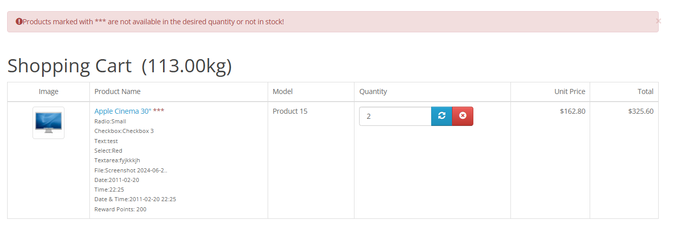 Open
D05 | some time the cart function not show correct information | Open homepage and see the cart functionality | Minor | Open

